Dashboard
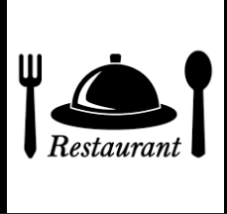

DATA REPORT ON MR A RESTAURANT

TOTAL SALES $769,515.86
Total Sales By Products
 | Total
Beverages | $103,200.26
Burgers | $376,999.81
Chicken Sandwiches | $114,641.70
Fries | $125,674.29
Sides & Other | $48,999.80
Total Sales by Purchase Type
 | Total
Drive-thru | $178,600.47
In-store | $285,714.00
Online | $305,201.39

QUANTITY SOLD
254

Avg Price
$7.10

Total Sales by Payments
 | Total
Cash | $239,200.24
Credit Card | $361,715.03
Gift Card | $168,600.60
Total Sales by Manager
 | Total
Joao Silva | $241,714.12
Pablo Perez | $136,200.27
Remy Monet | $79,800.31
Tom Jackson | $211,201.04
Walter Muller | $100,600.13

Sheet4
